Sheet1
 |  | Document No. | Issue No. | Issue Date |  | Review and Replace Date |  | Authorised By
 |  | GFF304MC | 2 | 04.08.2021 |  | 22.09.2021
 |  | Document Title | CHILLI CON CARNE WITH BROWN RICE 400G
 |  | tray changed to 2171-1F - FROST |  |  | Page |  | 1 of 1 | Magda Shah
Document amendments reason for change |  |  |  |  | Previous Issue Date |  | 04.08.2021 | Uncontrolled copy unless signed original

FBBCR1-R8TMC | MINDFUL CHEF |  | CHILLI CON CARNE WITH BROWN RICE 400G | FROZEN
STEP 1 |  |  |  |  | STEP 2
 |  |  |  |  | 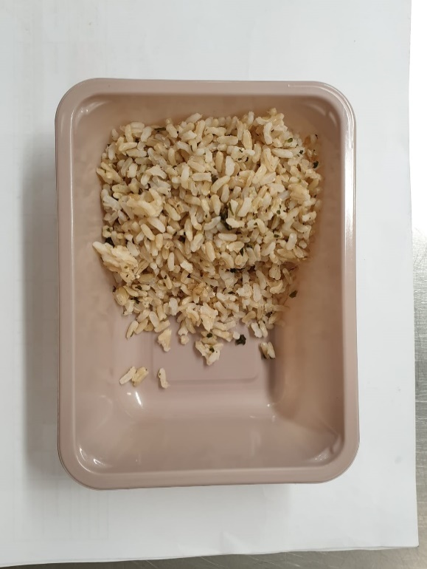

PACK DAY + 1 YEAR NON-MAP PACK

Tray: EVOLVE CPET 2171-1F FROST (PKRHP001-14) |  |  |  |  | Brown Rice (MC) (GFF255R): 100g
Film: K-Peel 75G + AF 25 250mm (PKKMP001-01)
STEP 3 |  |  |  |  | STEP 4
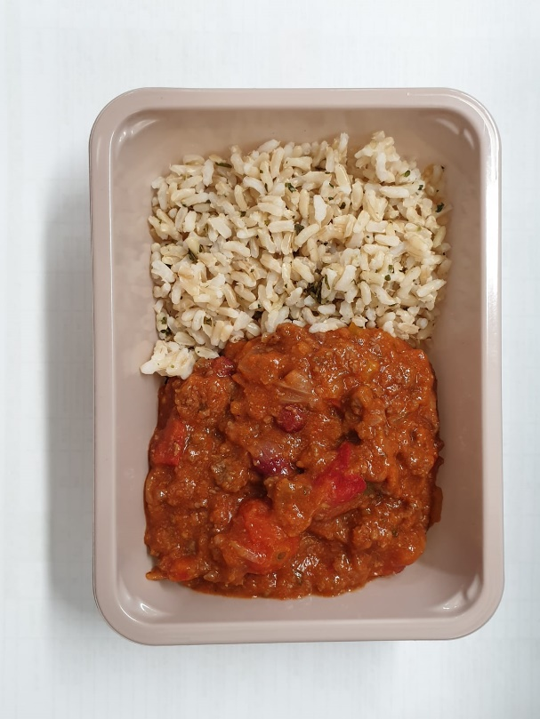 |  |  |  |  | 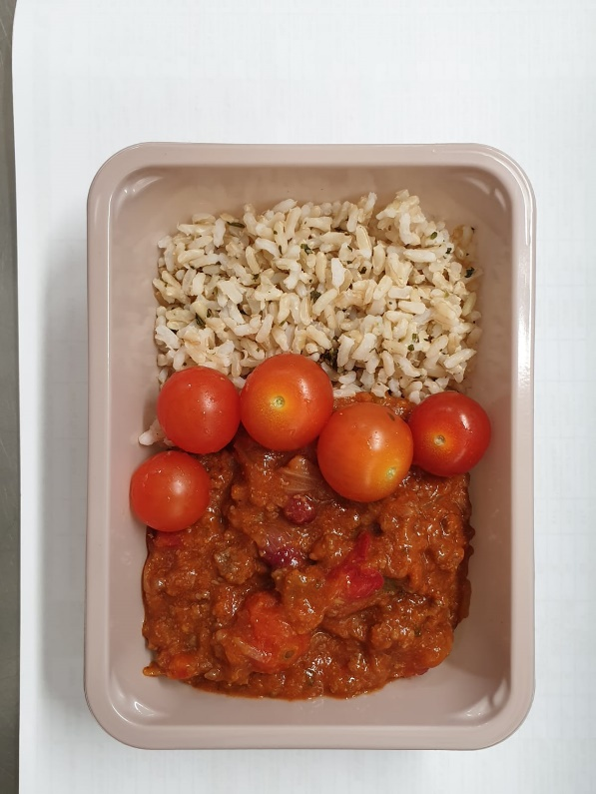

Chilli Con Carne Mix (MC) (GFF381R): 250g |  |  |  |  | Whole Cherry Tomato RTE (RMIHF001-57) 50g |  |  | TOTAL WEIGHT: 400g

ALLERGY ALERT: Soya

